Sheet1
Rancangan Database SIPRO by SmartPro

Table MasterData.Staff
No | Field Name | Field Description | Contraints | Allow Null? | Data Type | Data Length | PK / FK
1 | Id | Primary Key | Primary Key (auto increment), Identity(1, 1) | N | bigint | - | PK
2 | Name |  |  | N | varchar | 70
3 | EmployeeNo | Unique |  | N | varchar | 15
4 | PhoneNumber | Unique |  | N | varchar | 15
5 | DivisionId |  | FK ke Division(Id) | Y | bigint | - | FK
7 | CreatedDate |  |  | N | datetime2 | -
8 | CreatedBy | Value from Staff.Id |  | N | bigint | -
9 | UpdatedDate |  |  | Y | datetime2 | -
10 | UpdatedBy | Value from Staff.Id |  | Y | bigint | -

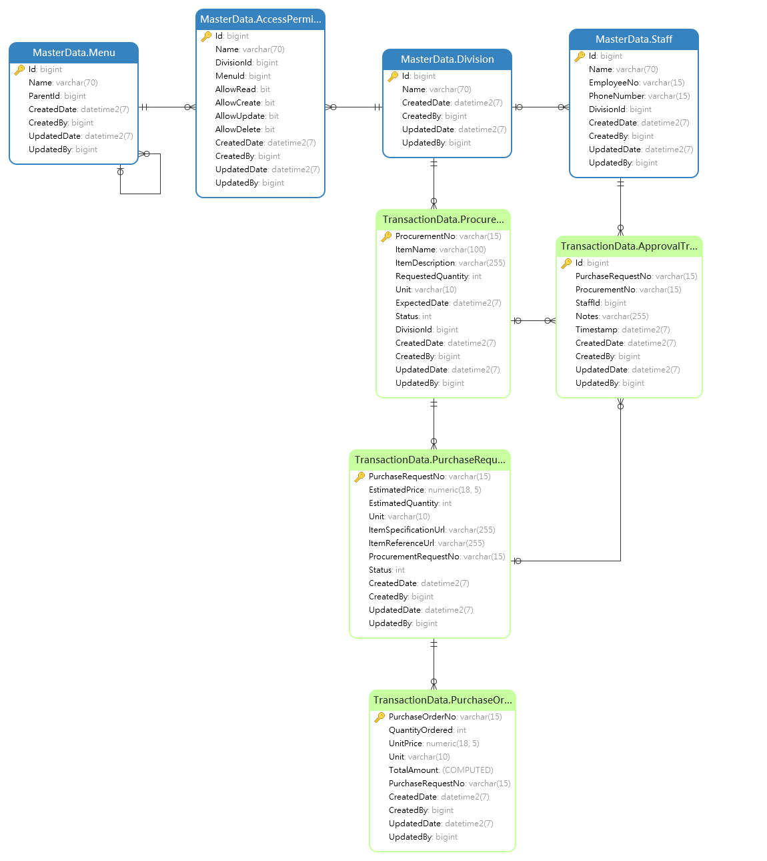
Table TransactionData.ApprovalTracking
No | Field Name | Field Description | Contraints | Allow Null? | Data Type | Data Length | PK / FK
1 | Id |  | Primary Key (auto increment), Identity(1, 1) | N | bigint | - | PK
2 | PurchaseRequestNo |  | FK ke PurchaseRequest(PurchaseRequestNo) | N | varchar | 15 | FK
3 | ProcurementNo |  | FK ke ProcurementRequest(ProcurementNo) | N | varchar | 15 | FK
4 | StaffId |  | FK ke Staff(Id) | N | bigint | - | FK
5 | Notes |  |  | Y | varchar | 255
6 | Timestamp |  |  | N | datetime2
7 | CreatedDate |  |  | N | datetime2 | -
8 | CreatedBy | Value from Staff.Id |  | N | bigint | -
9 | UpdatedDate |  |  | Y | datetime2 | -
10 | UpdatedBy | Value from Staff.Id |  | Y | bigint | -

Table MasterData.Division
No | Field Name | Field Description | Contraints | Allow Null? | Data Type | Data Length | PK / FK
1 | Id | Primary Key | Primary Key (auto increment), Identity(1, 1) | N | bigint | - | PK
2 | Name |  | Unique | N | varchar | 70
3 | CreatedDate |  |  | N | datetime2 | -
4 | CreatedBy | Value from Staff.Id |  | N | bigint | -
5 | UpdatedDate |  |  | Y | datetime2 | -
6 | UpdatedBy | Value from Staff.Id |  | Y | bigint | -

Table MasterData.Menu
No | Field Name | Field Description | Contraints | Allow Null? | Data Type | Data Length | PK / FK
1 | Id | Primary Key | Primary Key (auto increment), Identity(1, 1) | N | bigint | - | PK
2 | Name |  | Unique | N | varchar | 70
3 | ParentId |  | FK ke Menu(Id) | Y | bigint | - | FK
4 | CreatedDate |  |  | N | datetime2 | -
5 | CreatedBy | Value from Staff.Id |  | N | bigint | -
6 | UpdatedDate |  |  | Y | datetime2 | -
7 | UpdatedBy | Value from Staff.Id |  | Y | bigint | -

Table MasterData.AccessPermission
No | Field Name | Field Description | Contraints | Allow Null? | Data Type | Data Length | PK / FK
1 | Id | Primary Key | Primary Key (auto increment), Identity(1, 1) | N | bigint | - | PK
2 | Name |  | Unique | N | varchar | 70
3 | DivisionId |  | FK ke Division(Id) | N | bigint | - | FK
4 | MenuId |  | FK ke Menu(Id) | N | bigint | - | FK
5 | AllowRead |  |  | N | bit
6 | AllowCreate |  |  | N | bit
7 | AllowUpdate |  |  | N | bit
8 | AllowDelete |  |  | N | bit
9 | CreatedDate |  |  | N | datetime2 | -
10 | CreatedBy | Value from Staff.Id |  | N | bigint | -
11 | UpdatedDate |  |  | Y | datetime2 | -
12 | UpdatedBy | Value from Staff.Id |  | Y | bigint | -

Table TransactionData.ProcurementRequest
No | Field Name | Field Description | Contraints | Allow Null? | Data Type | Data Length | PK / FK
1 | ProcurementNo | Programmatically generated |  | N | varchar | 15 | PK
2 | ItemName |  |  | N | varchar | 100
3 | ItemDescription |  |  | Y | varchar | 255
4 | RequestedQuantity |  |  | N | int | -
5 | Unit |  |  | Y | varchar | 10
6 | ExpectedDate |  |  | N | datetime2
7 | Status | 0 = submitted 1 = pending 2 = approved 3 = rejected |  | N | int | -
8 | DivisionId |  | FK ke Division(Id) | N | bigint | - | FK
9 | CreatedDate |  |  | N | datetime2 | -
10 | CreatedBy | Value from Staff.Id |  | N | bigint | -
11 | UpdatedDate |  |  | Y | datetime2 | -
12 | UpdatedBy | Value from Staff.Id |  | Y | bigint | -

Table TransactionData.PurchaseRequest
No | Field Name | Field Description | Contraints | Allow Null? | Data Type | Data Length | PK / FK
1 | PurchaseRequestNo | Programmatically generated |  | N | varchar | 15 | PK
2 | EstimatedPrice |  |  | N | numeric(18, 5) | 18
3 | EstimatedQuantity |  |  | N | int | -
4 | Unit |  |  | Y | varchar | 10
5 | ItemSpecificationUrl |  |  | Y | varchar | 255
6 | ItemReferenceUrl |  |  | Y | varchar | 255
7 | ProcurementRequestNo |  | FK ke ProcurementRequest(ProcurementNo) | N | varchar | 15 | FK
8 | Status | 0 = submitted 1 = pending 2 = approved 3 = rejected |  | N | int | -
9 | CreatedDate |  |  | N | datetime2 | -
10 | CreatedBy | Value from Staff.Id |  | N | bigint | -
11 | UpdatedDate |  |  | Y | datetime2 | -
12 | UpdatedBy | Value from Staff.Id |  | Y | bigint | -

Table TransactionData.PurchaseOrder
No | Field Name | Field Description | Contraints | Allow Null? | Data Type | Data Length | PK / FK
1 | PurchaseOrderNo | Programmatically generated |  | N | varchar | 15 | PK
2 | QuantityOrdered |  |  | N | int | -
3 | UnitPrice |  |  | N | numeric(18, 5) | 18
4 | Unit |  |  | Y | varchar | 10
5 | TotalAmount | Nilai total PO (UnitPrice x OrderedQuantity) |  | N | numeric(18, 5) | 18
6 | PurchaseRequestNo |  | FK ke PurchaseRequest(PurchaseRequestNo) | N | varchar | 15 | FK
7 | CreatedDate |  |  | N | datetime2 | -
8 | CreatedBy | Value from Staff.Id |  | N | bigint | -
9 | UpdatedDate |  |  | Y | datetime2 | -
10 | UpdatedBy | Value from Staff.Id |  | Y | bigint | -

